Hoja1
FECHA
NV
NOMBRE
DIRECCION
RUT
CONDICIONES
DESC
CIUDAD
ENTREGA
TRANSPORTE
NOTA
 |  |  |  |  |  | 11 8 025
VERANO DAMA
COLECCIÓN NEWWALK 2025 | COLOR | Nº | COLOR | PRECIO | STOCK | COMPRA
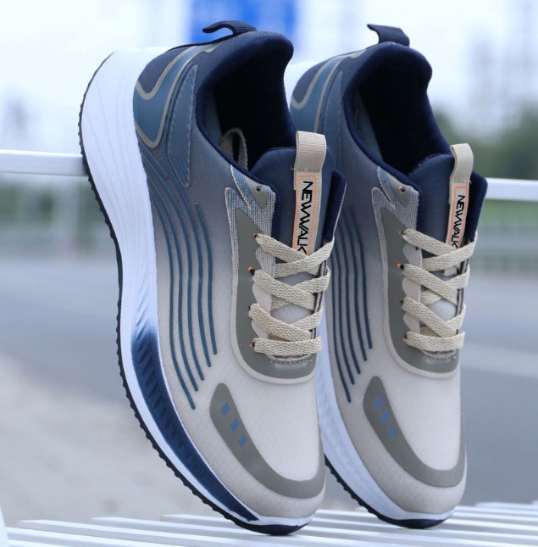

 | ADIT-C-012 |  | NAVY | $7,990 | 132

 |  | 39-44: 1 2 3 3 2 1 = 12 prs

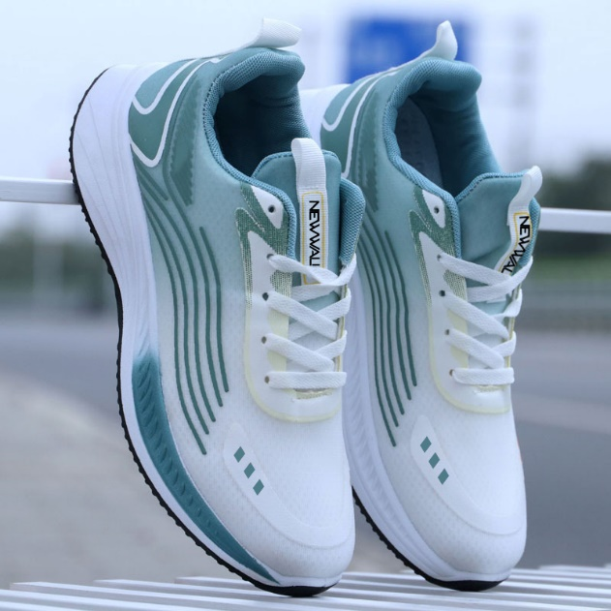

 | ADIT-C-012 |  | GREEN | $7,990 | 144

 |  | 39-44: 1 2 3 3 2 1 = 12 prs

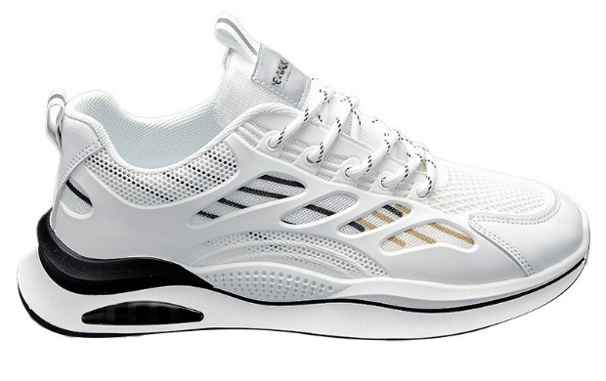

 | ADIT-C-005 |  | WHITE | $7,990 | 36

 |  | 39-44: 1 2 3 3 2 1 = 12 prs

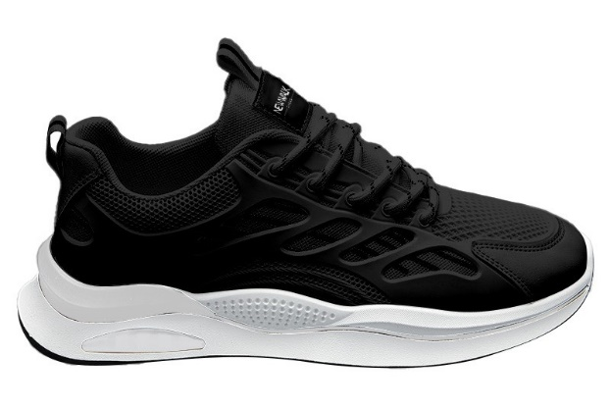

 | ADIT-C-005 |  | BLACK | $7,990 | 144

 |  | 39-44: 1 2 3 3 2 1 = 12 prs

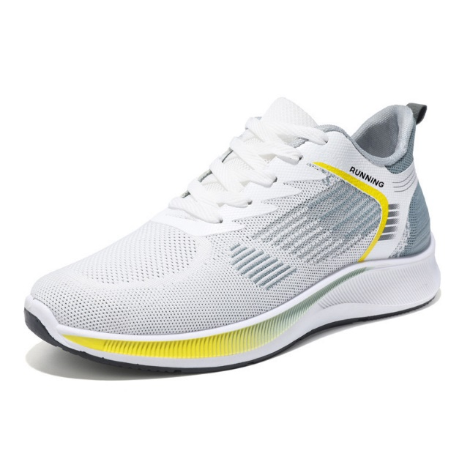

 | ADIT-C-014 |  | WHITE/YELLOW | $7,990 | 120

 |  | 39-44: 1 2 3 3 2 1 = 12 prs

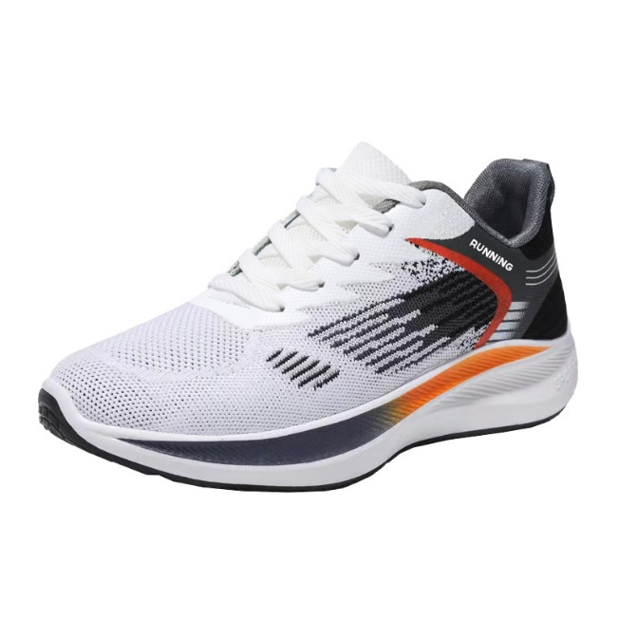

 | ADIT-C-014 |  | WHITE/BLACK | $7,990 | 48

 |  | 39-44: 1 2 3 3 2 1 = 12 prs

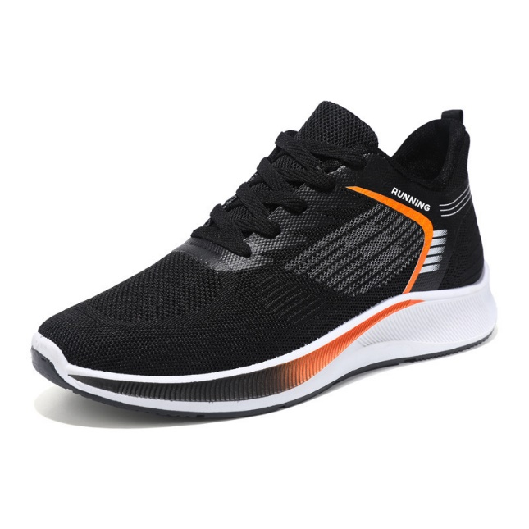

 | ADIT-C-014 |  | BLACK | $7,990 | 132

 |  | 39-44: 1 2 3 3 2 1 = 12 prs

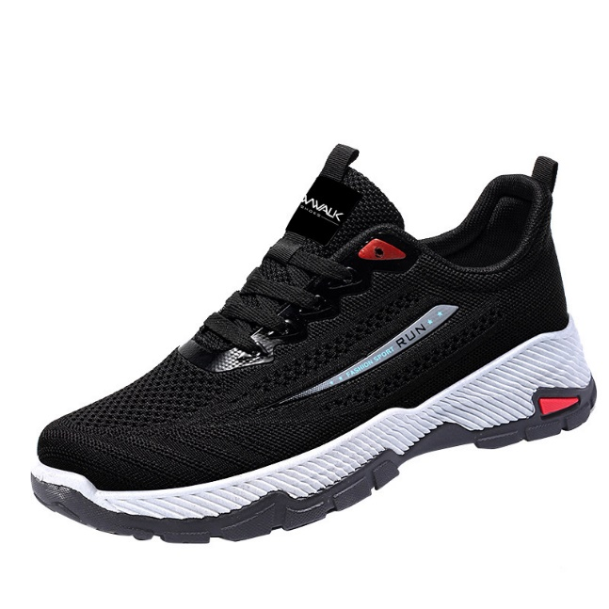

 | ADIT-C-009 |  | BLACK | $7,990 | 180

 |  | 39-44: 1 2 3 3 2 1 = 12 prs

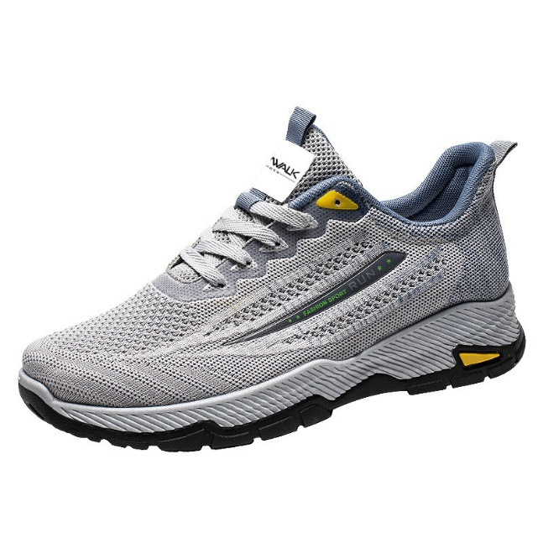

 | ADIT-C-009 |  | GREY | $7,990 | 322

 |  | 39-44: 1 2 3 3 2 1 = 12 prs

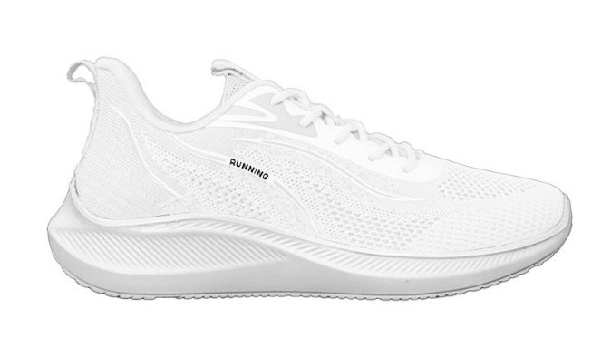

 | ADIT-C-002 |  | WHITE | $7,990 | 143

 |  | 39-44: 1 2 3 3 2 1 = 12 prs

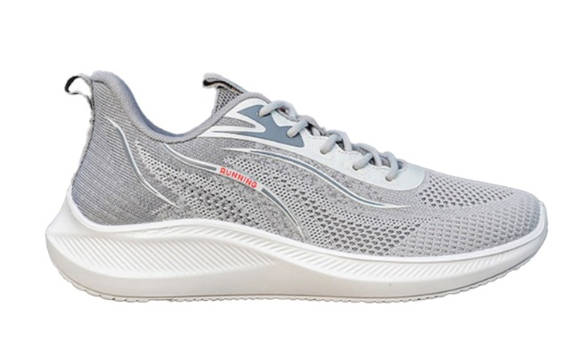

 | ADIT-C-002 |  | GREY | $7,990 | 204

 |  | 39-44: 1 2 3 3 2 1 = 12 prs

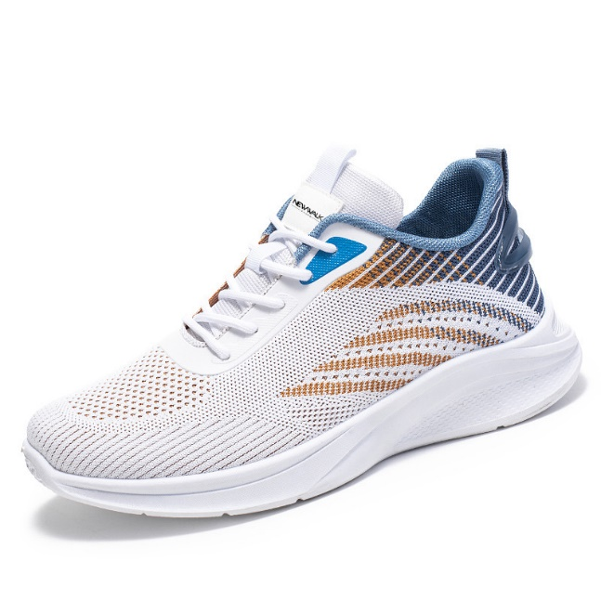

 | ADIT-C-003 |  | WHITE | $7,990 | 384

 |  | 39-44: 1 2 3 3 2 1 = 12 prs

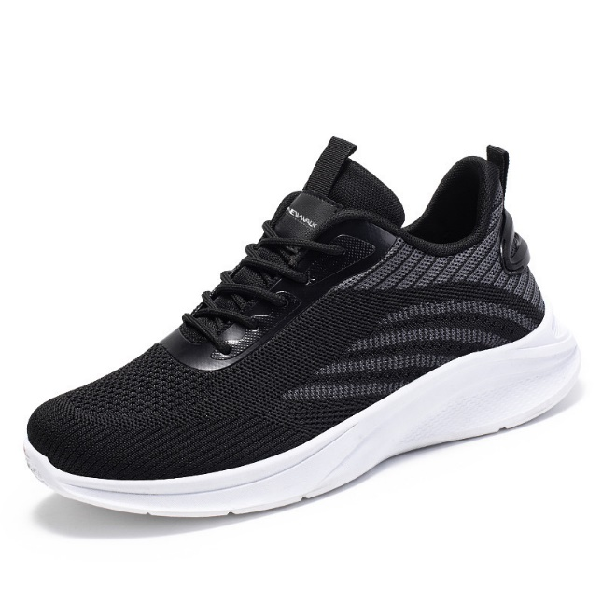

 | ADIT-C-003 |  | BLACK | $7,990 | 312

 |  | 39-44: 1 2 3 3 2 1 = 12 prs

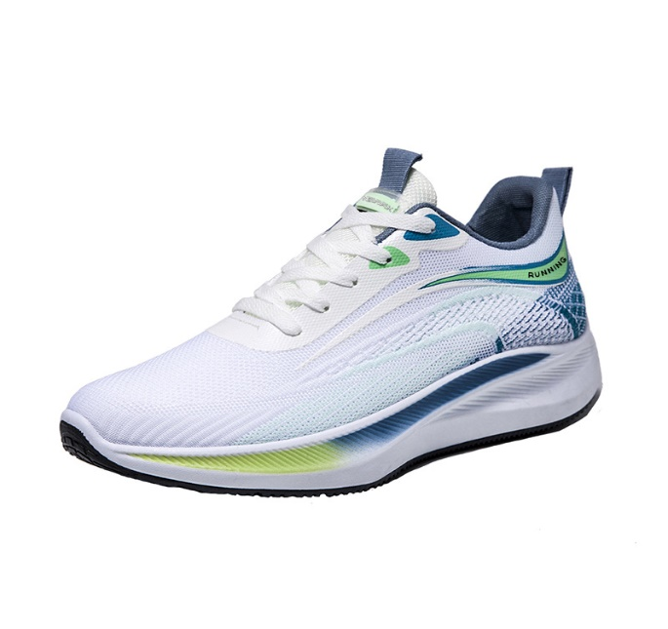

 | ADIT-C-001 |  | WHITE/BLUE | $7,990 | 180

 |  | 39-44: 1 2 3 3 2 1 = 12 prs

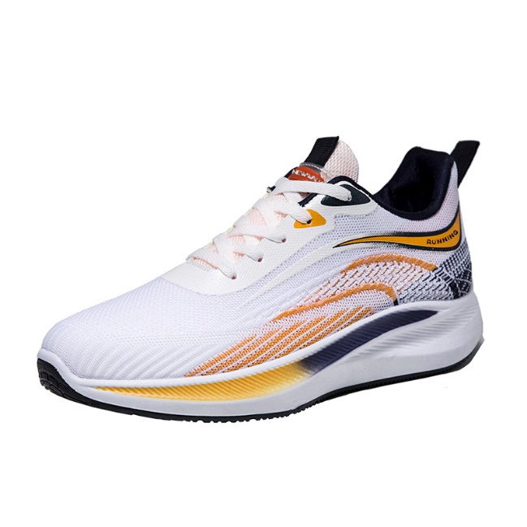

 | ADIT-C-001 |  | WHITE/ORANGE | $7,990 | 240

 |  | 39-44: 1 2 3 3 2 1 = 12 prs

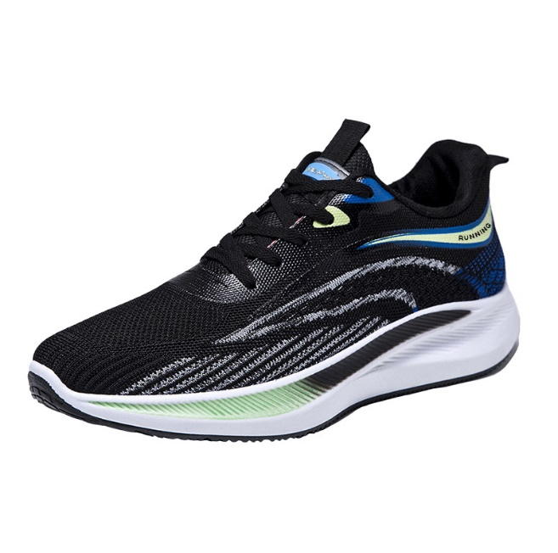

 | ADIT-C-001 |  | BLACK | $7,990 | 228

 |  | 39-44: 1 2 3 3 2 1 = 12 prs

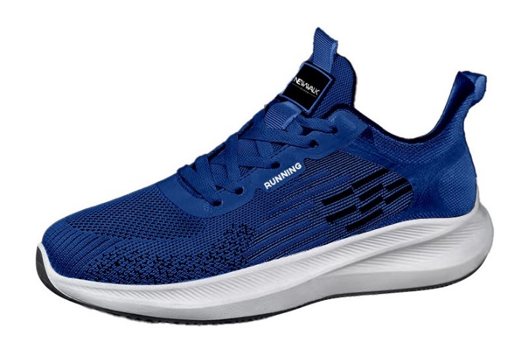

 | ADIT-C-006 |  | BLUE | $7,990 | 324

 |  | 39-44: 1 2 3 3 2 1 = 12 prs

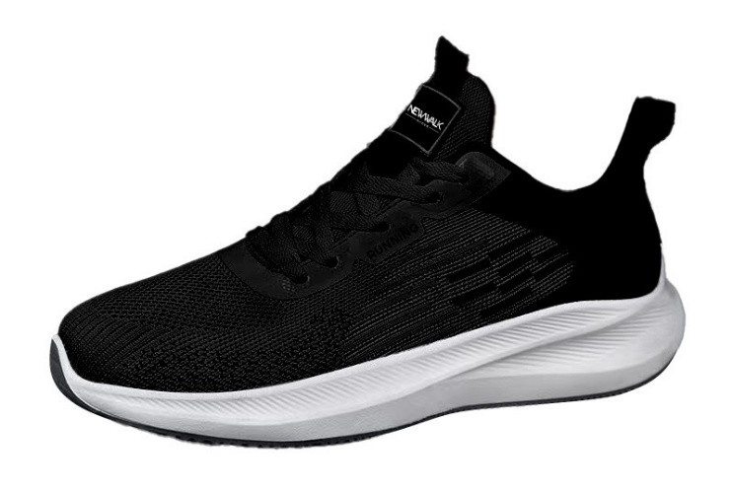

 | ADIT-C-006 |  | BLACK | $7,990 | 84

 |  | 39-44: 1 2 3 3 2 1 = 12 prs

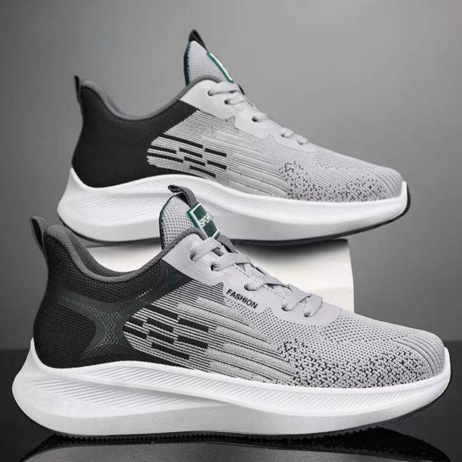

 | ADIT-C-006 |  | GREY | $7,990 | 120

 |  | 39-44: 1 2 3 3 2 1 = 12 prs

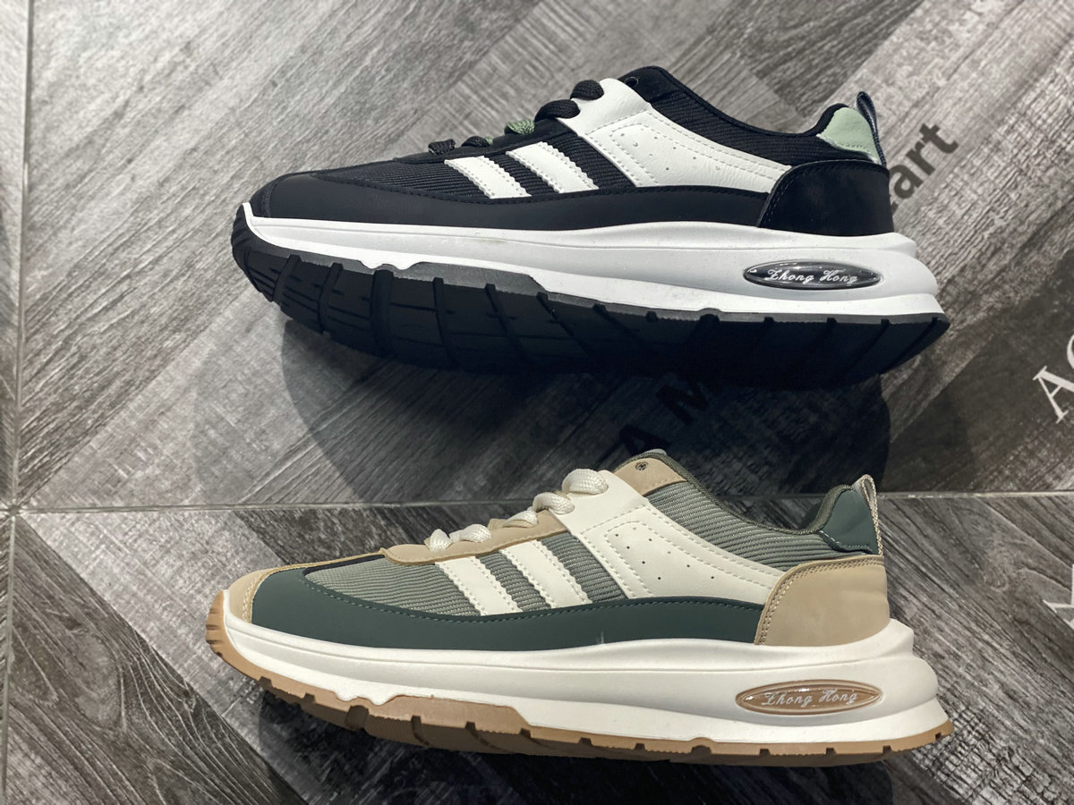

 | LRM003 |  | GREEN | $10,990 | 252
 |  |  | BLACK |  | 252

 |  | 39-44: 1 2 3 3 2 1 = 12 prs

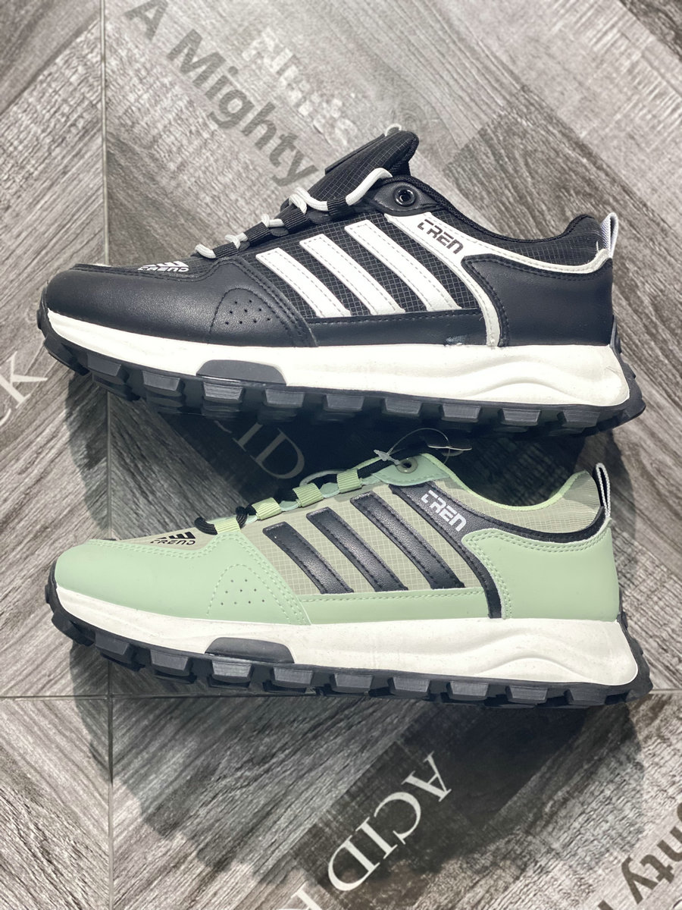

 | LRM004 |  | BLACK | $10,990 | 120

 |  | 39-44: 1 2 3 3 2 1 = 12 prs

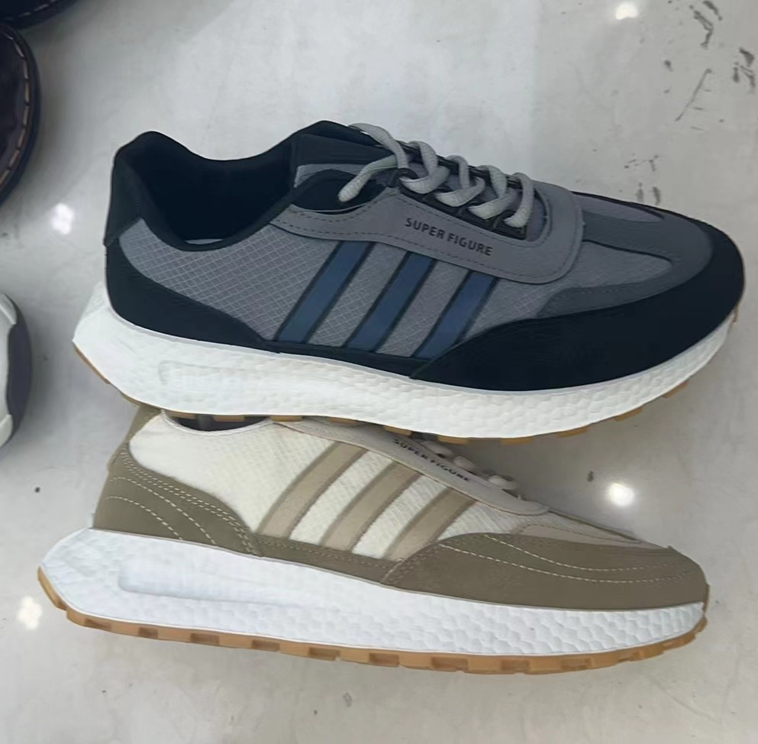

 | LRM808 |  | GREY | $10,990 | 204
 |  |  | KHAKI |  | 204

 |  | 39-44: 1 2 3 3 2 1 = 12 prs

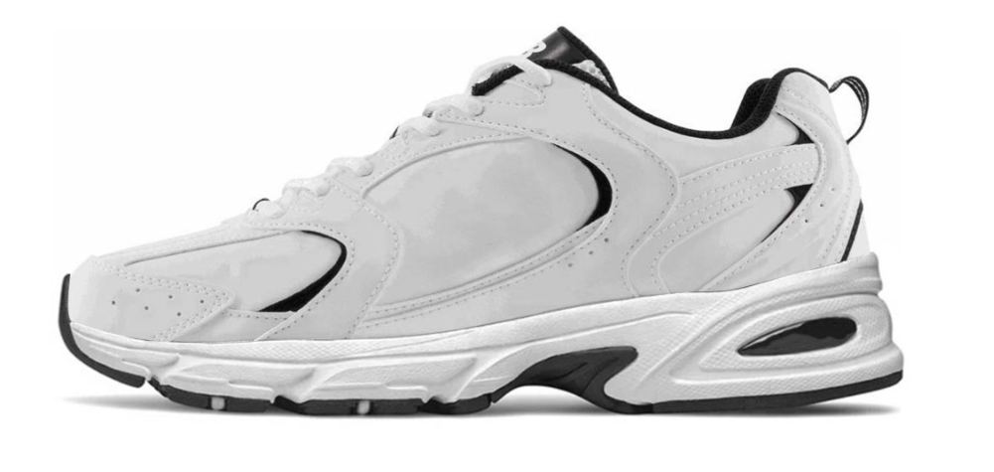

 | YJ24-367 |  | ALL WHITE | $11,990 | 228

 |  | 39-44: 1 2 3 3 2 1 = 12 prs

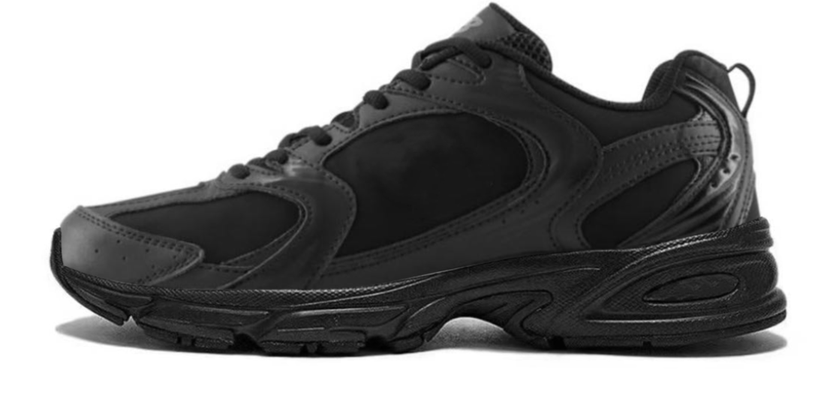

 | YJ24-367 |  | ALL BLACK | $11,990 | 192

 |  | 39-44: 1 2 3 3 2 1 = 12 prs

